Introduction
 | Title |  | Budget Goal Seek

Navigation | Content |  | The template can be used to calculate the missing variable (price or count) that would lead to the desired total budget.
 |  |  | It can be used to help with planning the amounts needed in order to reach the concluded budget.
Budget Tables |  |  | Furthermore, it uses a built-in formula that replicates the goal seek function of excel.

 | Customization difficulty (1-3) |  | 2

 | Explanation of sheets | Budget Tables | The sheet consists of two tables: "Quarterly Budget" and "Monthly Budget".
 |  |  | The budget table consists of the rows detailing the desired price, count, and the total calculated per time period.
 |  |  | When a value gets deleted from the budget table, it will show the required value to reach the desired total entered.

 | How to customize | 1) | Update all the information in the Budget tables according to the price and count needed per each time period. You may use either the quarterly or monthly version depending on the necessity.
 |  | 2) | Enter the desired total budget directly below the budget table chosen next to the "Desired Total" cell.
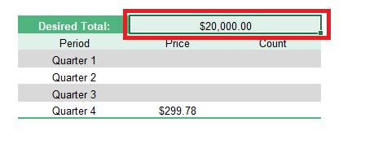

 |  | 3) | Blank out the value that you wanted to projected by filling in either the price or count for that specific time period.
 |  | 4) | The below table will calculate the needed amount to reach the desired total correspondingly.
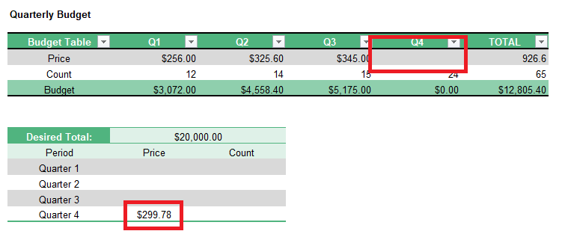

 |  | 5) | Once you've entered the calculated amount in the budget table, it will show that the grand total has adjusted to reach the value of the desired total.
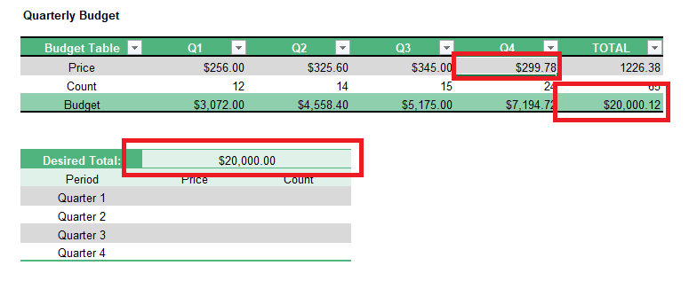

 |  | 6) | If needed, check out the video in which I walk you through each and every step!

 | Related To Online Templates |  | Our templates is compatible with online service but some templates that including macros feature is still not supported with Excel Online
 |  |  | Here is some hints that replace our macros in case of using Online Template

 |  | Referesh / Update Data | Some of our templates include Referesh/Update data macro button that can be replaced with Referesh All tool in Excel Online ribbon

 |  | Full Screen | Some of our templates have Full Screen macro button that can be replaced with the itself web browser full screen tool

 |  | Other Macros / Buttons | Other macros is applied on less than ~15% of our templats can be overcome by transferring to Desktop App "Open in Desktop App" button

 |  | Open in Desktop App | To open online template using Desktop App be sure that you signed in to your Microsoft account / Onedrive account

Budget Tables
Budget Goal Seek

Quarterly Budget

Budget Table | Q1 | Q2 | Q3 | Q4 | TOTAL
Price | $256.00 | $325.60 | $345.00 |  | 926.6
Count | 12 | 14 | 15 | 24 | 65
Budget | $3,072.00 | $4,558.40 | $5,175.00 | $0.00 | $12,805.40

Desired Total: | $20,000.00
Period | Price | Count
Quarter 1
Quarter 2
Quarter 3
Quarter 4 | $299.77

Monthly Budget

Budget Table | Jan | Feb | Mar | Apr | May | Jun | Jul | Aug | Sep | Oct | Nov | Dec | TOTAL
Price | $24.00 | $54.00 | $13.00 | $41.00 | $23.00 | $25.00 | $31.00 | $35.00 | $34.00 | $24.00 |  |  | $304.00
Count | 6 | 14 | 23 | 14 | 11 | 11 | 15 | 14 | 43 |  |  |  | 151
Budget | $144.00 | $756.00 | $299.00 | $574.00 | $253.00 | $275.00 | $465.00 | $490.00 | $1,462.00 | $0.00 | $0.00 | $0.00 | $4,718.00

Desired Total: | $5,000.00
Period | Price | Count
January
February
March
April
May
June
July
August
September
October |  | 12
November
December

